Excel Gantt Chart Template
CPU Project Gantt Chart

CPU Project |  |  | DURATION (days)
START DATE | END DATE | DESCRIPTION
5/11/20 | 5/13/20 | Project Planning | 2
5/11/20 | 5/20/20 | Project Analysis | 9
5/15/20 | 5/26/20 | Initial Research | 11
5/22/20 | 5/27/20 | Finalising design | 5
5/27/20 | 6/3/20 | Building in Quartus | 6
5/29/20 | 6/5/20 | Testing | 6
6/2/20 | 6/9/20 | Ideation for optimisations | 7
6/4/20 | 6/10/20 | Building enhancements | 6
6/5/20 | 6/12/20 | Testing and finialising design | 7
6/1/20 | 6/14/20 | Report and video creation | 13

Excel Timeline Template
Excel Timeline Template

Enter Your Project Details Here
DATE | DESCRIPTION | POSITION
5/10/18 | Kick Off | 1
6/7/18 | Milestone 1 | 2
7/21/18 | Milestone 2 | 1
8/1/18 | Checkpoint A | 4
9/20/18 | Milestone 3 | 3
10/30/18 | Milestone 4 | 2
12/20/18 | Checkpoint B | 3
1/30/19 | Milestone 5 | 4
2/10/19 | Milestone 6 | 1
3/30/19 | Milestone 7 | 2 |  | `
5/20/19 | Checkpoint C | 3
5/30/19 | Sign Off | 1

Make beautiful timelines in PowerPoint for important meetings. |  |  | Instantly turn Excel data into PowerPoint slides with the Office Timeline add-in for PowerPoint.

 |  |  | www.officetimeline.com
3 Easy steps to instantly turn Excel data into a PowerPoint slide
1. Download the Free Office Timeline plug-in for PowerPoint - 14-day Free Trial.
2. Open PowerPoint and click on NEW Timeline from the Office Timeline tab inside of PowerPoint.
Copy your Excel table and paste it into Office Timeline with the PASTE button.
3. Click the green SAVE button to instantly produce your timeline slide.

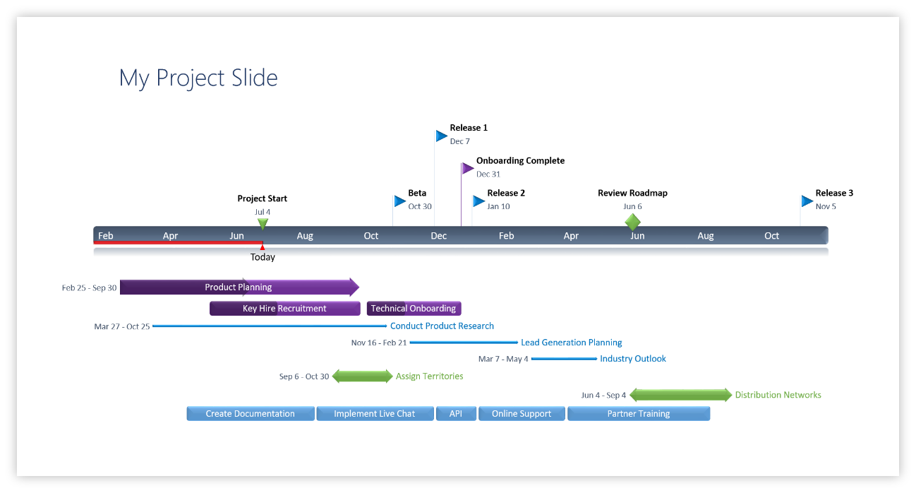

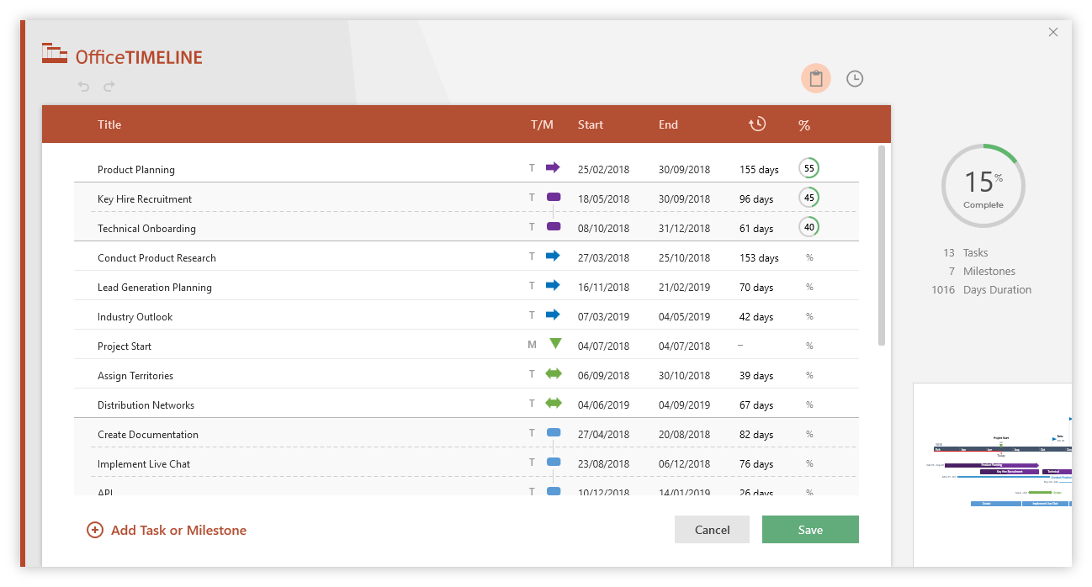
 |  | https://www.officetimeline.com/download

